Sheet1
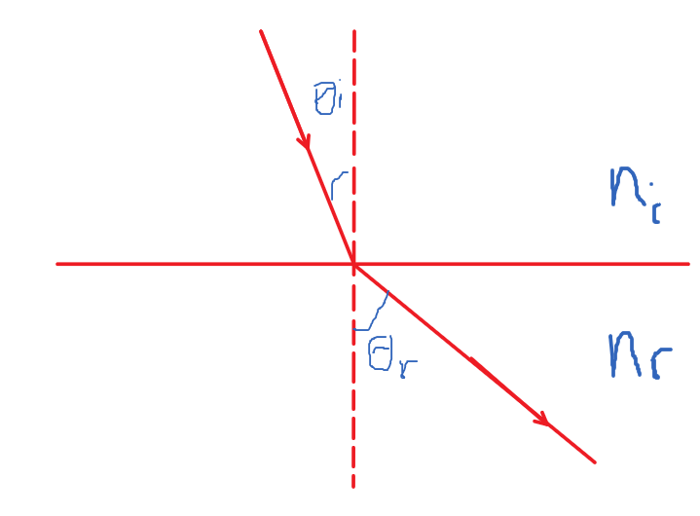
index of refraction for incident medium | 1 | outgoing angle | 0.71123839789
index of refraction for outgoing medium | 1.2
incident angle | 0.9

